Sheet1
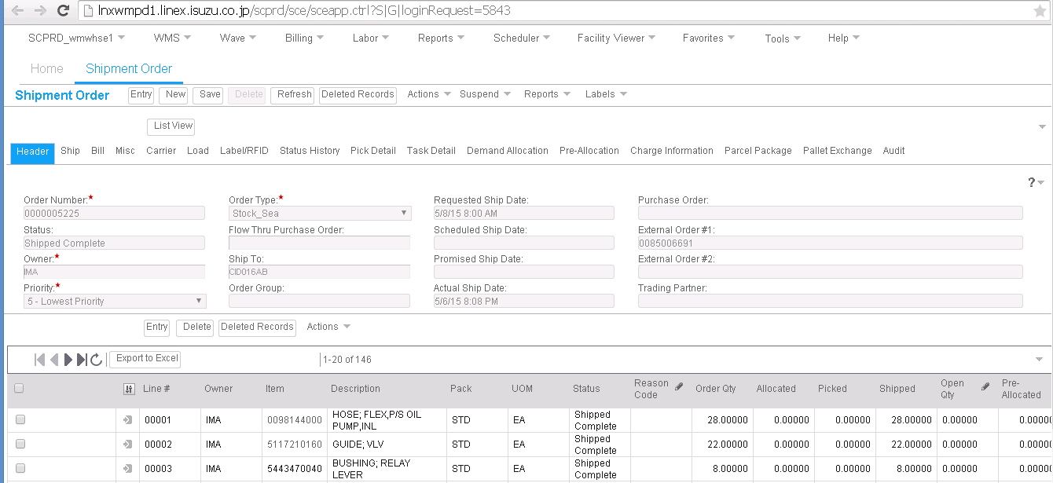

Stock did not adjust

Stock adjusted

Stock did not adjust

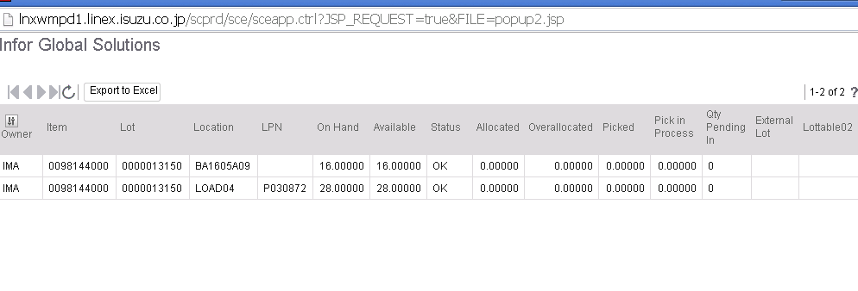

Was it because of the value in the location? It seems all the items which stocks did not adjust even after shipping are under Drop ID P030866 and P030872

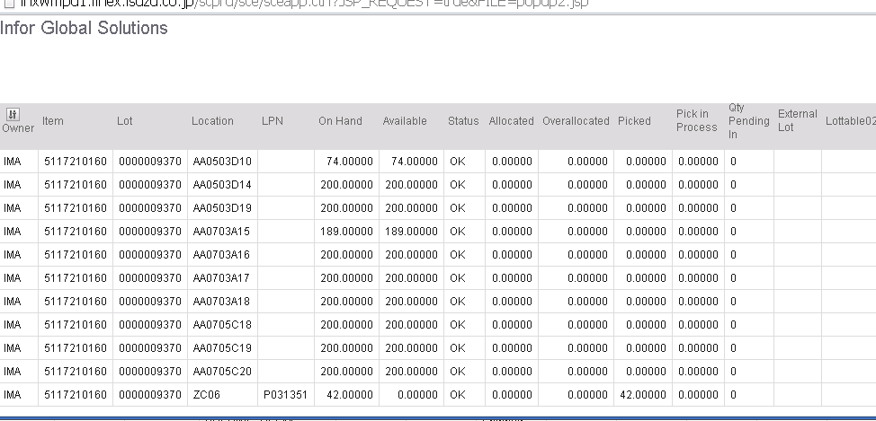

Value for location is not Load04 and item is not under DROPID P030866 or P030872, stock adjusted correctly.

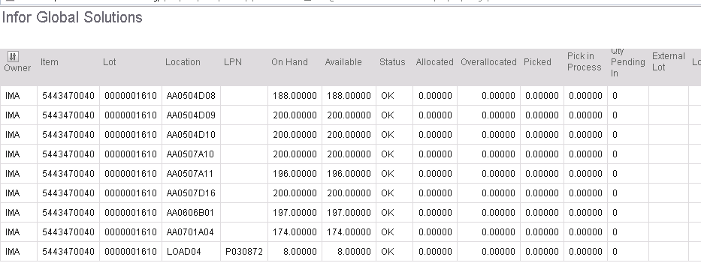

Was it because of the value in the location? It seems all the items which stocks did not adjust even after shipping are under Drop ID P030866 and P030872

